Covid adjustm_Rhodium
 | JULY STEO | November STEO | January STEO
2019 |  | 19092 | 19068
2020 | 18426 | 18411 | 19448
2021 | 19784 | 19098 | 19790
 | Rhodium Group - % in 2020 vs.2019 |  |  | Real GDP (billion chained 2012 dollars)
All industry | -7% |  | other |  | 2019 | 2020 | 2021 | 2022
Mining | -25% |  | other mining and quarrying 07T08 | JULY STEO |  | 18426 | 19784 | 20767
Iron and steel | -16% |  | iron and steel 241 | November STEO | 19092 | 18411 | 19098
Refinery | -15% |  | refined petroleum and coke 19 | January STEO | 19068 | 19448 | 19790
Oil and gas extraction | -7% |  | oil and gas extraction 06 | January STEO - Adjusted for 2019 value | 19092 | 19472.478288 | 19814.908748
Cement | -5% |  | cement and other nonmetallic minerals 239
Chemicals | -4% |  | chemicals 20 | Source: Tables 9a, row 1

 |  |  |  | GDP Impact |  | -3.5% | -1%
 |  | estimated to be 50% of impact in 2020
 | 2020 | 2021
agriculture and forestry 01T03 | -7% | -4%
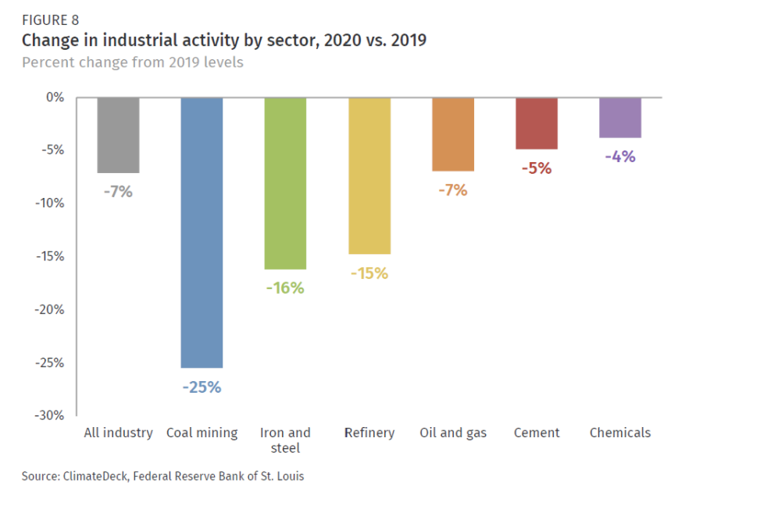
coal mining 05 | -25% | -13%
oil and gas extraction 06 | -7% | -4%
other mining and quarrying 07T08 | -7% | -4%
food beverage and tobacco 10T12 | -7% | -4%
textiles apparel and leather 13T15 | -7% | -4%
wood products 16 | -7% | -4%
pulp paper and printing 17T18 | -7% | -4%
refined petroleum and coke 19 | -15% | -8%
chemicals 20 | -4% | -2%
rubber and plastic products 22 | -7% | -4%
glass and glass products 231 | -7% | -4%
cement and other nonmetallic minerals 239 | -5% | -3%
iron and steel 241 | -16% | -8%
other metals 242 | -7% | -4%
metal products except machinery and vehicles 25 | -7% | -4%
computers and electronics 26 | -7% | -4%
appliances and electrical equipment 27 | -7% | -4%
other machinery 28 | -7% | -4%
road vehicles 29 | -7% | -4%
nonroad vehicles 30 | -7% | -4%
other manufacturing 31T33 | -7% | -4%
energy pipelines and gas processing 352T353 | -7% | -4%
water and waste 36T39 | -7% | -4%
construction 41T43 | -7% | -4%

Electricity-CEC Outlook BaseMid
 | Form 1.1b - STATE Planning Area
 | California Energy Demand Forecast Update, 2020 - 2030 Baseline Forecast - Mid Demand Case
 | Electricity Sales by Sector (GWh) - Sales exclude self-generation.
 | Note: Last historic year is 2019.
 | https://efiling.energy.ca.gov/GetDocument.aspx?tn=236983
 |  |  |  | 69,539 |  | ag and water pumping | Transportation, Communications and Utilities | commercial
 | Year | Residential | Commercial | Industrial | Mining | AGWP | TCU | Streetlighting | Total_Sales | Total Industrial
 | 2019 | 80,710 | 96,172 | 31,131 | 5,383 | 18,551 | 14,474 | 1,227 | 247,648 | 45,605
 | 2020 | 78,968 | 92,676 | 29,981 | 5,106 | 18,509 | 14,492 | 1,219 | 240,951 | 44,473
 | 2021 | 78,082 | 93,709 | 30,181 | 5,037 | 19,585 | 14,440 | 1,211 | 242,246 | 44,621
 | 2022 | 78,253 | 96,018 | 30,906 | 5,210 | 19,817 | 14,524 | 1,204 | 245,933 | 45,430
 | 2023 | 79,455 | 98,637 | 31,601 | 5,288 | 20,187 | 14,604 | 1,196 | 250,967 | 46,204
 | 2024 | 80,190 | 100,215 | 31,892 | 5,271 | 20,515 | 14,676 | 1,188 | 253,947 | 46,568
 | 2025 | 80,621 | 101,051 | 31,986 | 5,221 | 20,825 | 14,740 | 1,180 | 255,623 | 46,726
 | 2026 | 81,076 | 101,765 | 32,091 | 5,146 | 21,120 | 14,810 | 1,171 | 257,179 | 46,901
 | 2027 | 81,718 | 101,958 | 32,165 | 5,064 | 21,418 | 14,884 | 1,163 | 258,370 | 47,049
 | 2028 | 82,697 | 101,936 | 32,242 | 4,972 | 21,725 | 14,975 | 1,154 | 259,701 | 47,218
 | 2029 | 83,749 | 101,921 | 32,290 | 4,892 | 22,028 | 15,117 | 1,145 | 261,142 | 47,408
 | 2030 | 84,903 | 102,013 | 32,311 | 4,805 | 22,330 | 15,265 | 1,135 | 262,762 | 47,576

 | Transposed data | GWH
 | Year | 2019 | 2020 | 2021 | 2022 | 2023 | 2024 | 2025 | 2026 | 2027 | 2028 | 2029 | 2030
 | Residential | 80,710 | 78,968 | 78,082 | 78,253 | 79,455 | 80,190 | 80,621 | 81,076 | 81,718 | 82,697 | 83,749 | 84,903
 | Commercial | 96,172 | 92,676 | 93,709 | 96,018 | 98,637 | 100,215 | 101,051 | 101,765 | 101,958 | 101,936 | 101,921 | 102,013
 | Industry (industrial, TCU) | 45,605 | 44,473 | 44,621 | 45,430 | 46,204 | 46,568 | 46,726 | 46,901 | 47,049 | 47,218 | 47,408 | 47,576
 | Mining | 5,383 | 5,106 | 5,037 | 5,210 | 5,288 | 5,271 | 5,221 | 5,146 | 5,064 | 4,972 | 4,892 | 4,805
 | AGWP | 18,551 | 18,509 | 19,585 | 19,817 | 20,187 | 20,515 | 20,825 | 21,120 | 21,418 | 21,725 | 22,028 | 22,330
 | Streetlighting | 1,227 | 1,219 | 1,211 | 1,204 | 1,196 | 1,188 | 1,180 | 1,171 | 1,163 | 1,154 | 1,145 | 1,135
 |  | 247,648 | 240,951 | 242,246 | 245,933 | 250,967 | 253,947 | 255,623 | 257,179 | 258,370 | 259,701 | 261,142 | 262,762
 | industry GWh | 69,539 | 68,088 | 69,244 | 70,457 | 71,679 | 72,354 | 72,772 | 73,167 | 73,531 | 73,914 | 74,327 | 74,710
 |  |  |  |  |  |  |  |  |  |  |  |  |  | Forecasted
BTU |  | 2019 | 2020 | 2021 | 2022 | 2023 | 2024 | 2025 | 2026 | 2027 | 2028 | 2029 | 2030 | 2031 | 2032 | 2033 | 2034 | 2035 | 2036 | 2037 | 2038 | 2039 | 2040 | 2041 | 2042 | 2043 | 2044 | 2045 | 2046 | 2047 | 2048 | 2049 | 2050
ALL OTHER | Industry (industrial, TCU) | 1.56E+14 | 1.52E+14 | 1.52E+14 | 1.55E+14 | 1.58E+14 | 1.59E+14 | 1.59E+14 | 1.60E+14 | 1.61E+14 | 1.61E+14 | 1.62E+14 | 1.62E+14 | 163024095565398 | 1.6365055082E+14 | 1.6427700607E+14 | 1.6490346132E+14 | 1.6552991657E+14 | 1.6615637182E+14 | 1.6678282707E+14 | 167409282320910 | 1.6803573757E+14 | 168662192822485 | 1.6928864807E+14 | 1.6991510332E+14 | 1.7054155857E+14 | 1.7116801383E+14 | 1.7179446908E+14 | 1.7242092433E+14 | 173047379577997 | 1.7367383483E+14 | 174300290079572 | 1.7492674533E+14
other mining and quarrying 07T08 | Mining | 1.84E+13 | 1.74E+13 | 1.72E+13 | 1.78E+13 | 1.80E+13 | 1.80E+13 | 1.78E+13 | 1.76E+13 | 1.73E+13 | 1.70E+13 | 1.67E+13 | 1.64E+13 | 1.6223169868E+13 | 1.5974993E+13 | 1.5726816131E+13 | 1.5478639262E+13 | 1.5230462393E+13 | 1.4982285524E+13 | 1.4734108655E+13 | 1.4485931786E+13 | 1.4237754917E+13 | 1.3989578048E+13 | 1.3741401179E+13 | 1.349322431E+13 | 1.3245047441E+13 | 1.2996870572E+13 | 1.2748693703E+13 | 1.2500516834E+13 | 1.2252339965E+13 | 1.2004163096E+13 | 1.1755986227E+13 | 1.1507809358E+13
agriculture and forestry 01T03 | AGWP | 6.33E+13 | 6.31E+13 | 6.68E+13 | 6.76E+13 | 6.89E+13 | 7.00E+13 | 7.11E+13 | 7.21E+13 | 7.31E+13 | 7.41E+13 | 7.52E+13 | 7.62E+13 | 7.7235875898E+13 | 78274141961232 | 7.9312408025E+13 | 8.0350674089E+13 | 81388940152366 | 8.2427206216E+13 | 8.346547228E+13 | 84503738343500 | 8.5542004407E+13 | 8.6580270471E+13 | 87618536534634 | 8.8656802598E+13 | 8.9695068662E+13 | 90733334725768 | 9.1771600789E+13 | 9.2809866853E+13 | 93848132916902 | 9.4886398981E+13 | 9.5924665044E+13 | 96962931108036
 |  | 69,539 | 68,088 | 69,244 | 70,457 | 71,679 | 72,354 | 72,772 | 73,167 | 73,531 | 73,914 | 74,327 | 74,710

Forecasted Energy

summary graph
 | 2019 | 2020 | 2021 | 2022 | 2023 | 2024 | 2025 | 2026 | 2027 | 2028 | 2029 | 2030 | 2031 | 2032 | 2033 | 2034 | 2035 | 2036 | 2037 | 2038 | 2039 | 2040 | 2041 | 2042 | 2043 | 2044 | 2045 | 2046 | 2047 | 2048 | 2049 | 2050
BIFUbC-electricity | 2.3725387087E+14 | 2.3725387087E+14 | 2.3230309514E+14 | 2.3624741339E+14 | 2.40387064E+14 | 2.4455527224E+14 | 2.4685732152E+14 | 2.4828419524E+14 | 2.4963028227E+14 | 2.5087429449E+14 | 2.5218145059E+14 | 2.5358976567E+14 | 2.5489694859E+14 | 2.5648314133E+14 | 2.5789968578E+14 | 2.5931623022E+14 | 2.6073277467E+14 | 2.6214931911E+14 | 2.6356586356E+14 | 2.64982408E+14 | 2.6639895245E+14 | 2.678154969E+14 | 2.6923204134E+14 | 2.7064858579E+14 | 2.7206513023E+14 | 2.7348167468E+14 | 2.7489821912E+14 | 2.7631476357E+14 | 2.7773130801E+14 | 2.7914785246E+14 | 2.8056439691E+14 | 2.8198094135E+14
BIFUbC-coal | 3.5283103386E+13 | 3.2066222248E+13 | 3.4926659583E+13 | 3.5252896284E+13 | 3.5090986218E+13 | 3.4649962529E+13 | 3.420289742E+13 | 3.3712334084E+13 | 3.3148065419E+13 | 3.2537881959E+13 | 3.2003820396E+13 | 3.145405114E+13 | 3.1000944611E+13 | 3.0478965889E+13 | 2.9988402553E+13 | 2.9525629751E+13 | 2.9422925604E+13 | 2.9300888912E+13 | 2.9193351629E+13 | 2.9290014355E+13 | 2.9233225003E+13 | 2.9195768197E+13 | 2.9203017902E+13 | 2.9248932697E+13 | 2.9319013173E+13 | 2.9383052229E+13 | 2.9451924422E+13 | 2.9551003716E+13 | 2.9640416738E+13 | 2.9723788339E+13 | 2.9969070007E+13 | 3.0082648711E+13
BIFUbC-natural-gas | 956000492711156 | 869752947445686 | 9.2908843969E+14 | 9.1937237379E+14 | 9.0943383569E+14 | 8.9882627169E+14 | 8.9909273765E+14 | 8.9784630072E+14 | 8.9658225285E+14 | 895300594050519 | 8.9400132431E+14 | 8.9268444364E+14 | 9.0050916848E+14 | 9.0832686744E+14 | 9.1614994108E+14 | 9.2396876839E+14 | 931792822984609 | 9.3961473537E+14 | 947490812274376 | 9.5562432138E+14 | 963754176082133 | 9.718872271E+14 | 9.8002227618E+14 | 9.8815456357E+14 | 9.9628398877E+14 | 1.0044166437E+15 | 1.0125530956E+15 | 1.0206843763E+15 | 1.0288167896E+15 | 1.0369499337E+15 | 1.0450801907E+15 | 1.0532120739E+15
BIFUbC-biomass | 4.9705195011E+13 | 4.6263350344E+13 | 4.7984272677E+13 | 5.1480025793E+13 | 5.1949719169E+13 | 5.2522291002E+13 | 5.3217252726E+13 | 5.3664951396E+13 | 5.3950527806E+13 | 5.4049149225E+13 | 5.4231492424E+13 | 5.4637330204E+13 | 5.5075095782E+13 | 5.5300718884E+13 | 5.5368122011E+13 | 5.5434460879E+13 | 5.5791342704E+13 | 5.6101042339E+13 | 5.6411096727E+13 | 5.6984378067E+13 | 5.7512960491E+13 | 5.7975204047E+13 | 5.8639302233E+13 | 5.937328682E+13 | 6.0181769601E+13 | 6.0994154669E+13 | 6.1854786186E+13 | 6.2715417703E+13 | 6.3626778942E+13 | 6.4531399869E+13 | 6.5519387822E+13 | 6.6530789493E+13
BIFUbC-petroleum-diesel | 4.2697628111E+14 | 3.6751273342E+14 | 3.9724450726E+14 | 4.2846692261E+14 | 4.2883979113E+14 | 4.2921182707E+14 | 429578867552205 | 4.2994507545E+14 | 4.3031128336E+14 | 4.3067749126E+14 | 4.3104369916E+14 | 4.3140990706E+14 | 4.3177611496E+14 | 4.3214232286E+14 | 4.3250853077E+14 | 4.3287473867E+14 | 4.3324094657E+14 | 4.3360715447E+14 | 4.3397336237E+14 | 4.3433957028E+14 | 4.3470577818E+14 | 435071986078784 | 4.3543819398E+14 | 4.3580440188E+14 | 4.3617060978E+14 | 4.3653681769E+14 | 4.3690302559E+14 | 4.3726923349E+14 | 4.3763544139E+14 | 4.3800164929E+14 | 4.3836785719E+14 | 4.387340651E+14
BIFUbC-heat | 0 | 0 | 0 | 0 | 0 | 0 | 0 | 0 | 0 | 0 | 0 | 0 | 0 | 0 | 0 | 0 | 0 | 0 | 0 | 0 | 0 | 0 | 0 | 0 | 0 | 0 | 0 | 0 | 0 | 0 | 0 | 0
BIFUbC-crude-oil | 0 | 0 | 0 | 0 | 0 | 0 | 0 | 0 | 0 | 0 | 0 | 0 | 0 | 0 | 0 | 0 | 0 | 0 | 0 | 0 | 0 | 0 | 0 | 0 | 0 | 0 | 0 | 0 | 0 | 0 | 0 | 0
BIFUbC-heavy-or-residual-oil | 2759174400000 | 2350578240000 | 2554876320000 | 2.8633761083E+12 | 3.1151969032E+12 | 3.2411073007E+12 | 3.371359436E+12 | 3.4603650618E+12 | 3.5211493917E+12 | 3.5515415566E+12 | 3.5884463282E+12 | 3.6340345756E+12 | 3.6731102162E+12 | 3.6665976094E+12 | 3.6752810851E+12 | 3.6774519541E+12 | 3.6622558716E+12 | 3.6448889202E+12 | 3.6383763135E+12 | 3.6275219688E+12 | 3.6210093621E+12 | 3.6079841485E+12 | 3.5993006729E+12 | 3.6123258864E+12 | 3.6296928378E+12 | 3.6362054445E+12 | 3.623180231E+12 | 3.623180231E+12 | 3.623180231E+12 | 3.6144967553E+12 | 3.6101550175E+12 | 3.5927880661E+12
BIFUbC-LPG-propane-or-butane | 2.1446845537E+13 | 1.9916019676E+13 | 2.0681432607E+13 | 1.6641257368E+13 | 1.6992163285E+13 | 1.6934628386E+13 | 1.7077611154E+13 | 1.7177869988E+13 | 1.7311168664E+13 | 1.74006041E+13 | 1.7540168953E+13 | 1.7766890633E+13 | 1.792582367E+13 | 1.8100137323E+13 | 1.8292679855E+13 | 1.8503451266E+13 | 1.8708526153E+13 | 1.8874864671E+13 | 1.9032088751E+13 | 1.9203554142E+13 | 1.9364196136E+13 | 1.9472430104E+13 | 1.9647883062E+13 | 1.9870617175E+13 | 2.008708511E+13 | 2.0305831656E+13 | 2.0554769781E+13 | 2.0756996405E+13 | 2.0970616079E+13 | 2.1208730808E+13 | 2.1501532173E+13 | 2.1788067361E+13

